Dala Sales & Deliveries
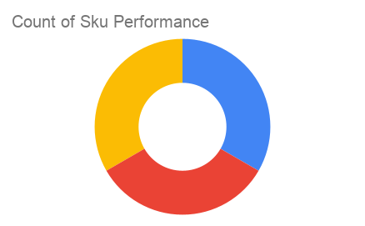
Total Invoices Delivered | 17.00 | Sku Performance | Units | Value
Unique Locations Supplied | 15.00 | 500ml Mixed Juice (1x) | 81.00 | 162,000.00
Total Value of orders | 480,000.00 | 500ml Pineapple Juice (1x) | 114.00 | 228,000.00
 |  | 500ml Orange Juice (1x) | 45.00 | 90,000.00
 |  |  | 0.00 | 0.00
 |  |  | 0.00 | 0.00
 |  |  | 0.00 | 0.00
 |  |  | 0.00 | 0.00
 |  |  | 0.00 | 0.00
 |  |  | 0.00 | 0.00
 |  |  | 0.00 | 0.00
 |  |  | 0.00 | 0.00
 |  |  | 0.00 | 0.00

